Sheet1
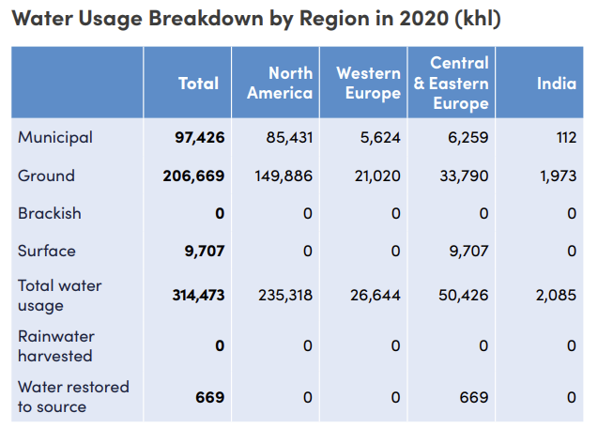
 | 2020 |  |  |  | 2021
 | Total | North America | Western Europe | Central and Eastern Europe | Total | North America | Western Europe | Central and Eastern Europe
Municipal | 97,314 | 85,431 | 5,624 | 6,259 | 90,082 | 77,231 | 6,229 | 6,622
Ground | 204,696 | 149,886 | 21,020 | 33,790 | 207,371 | 149,711 | 22,985 | 34,675
Surface | 9,707 | - | - | 9,707 | 9,854 | - | - | 9,854
Water returned | 669 | - | - | 669 | 317 | - | - | 317
Total | 312,386 | 235,317 | 26,644 | 50,425 | 307,624 | 226,942 | 29,214 | 51,468

 | 2020 |  |  |  | 2021
 | Total | North America | Western Europe | Central and Eastern Europe | Total | North America | Western Europe | Central and Eastern Europe
Municipal | 97,314 | 88% | 6% | 6% | 90,082 | 86% | 7% | 7%
Ground | 204,696 | 73% | 10% | 17% | 207,371 | 72% | 11% | 17%
Surface | 9,707 | 0% | 0% | 100% | 9,854 | 0% | 0% | 100%
Water returned | 669 | 0% | 0% | 100% | 317 | 0% | 0% | 100%
Total | 312,386 | 2 | 0 | 2 | 307,624 | 2 | 0 | 2

